Sheet1
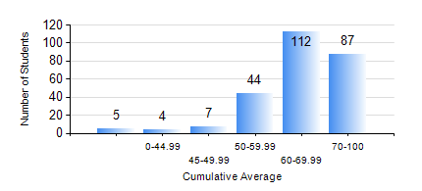
 |  |  | KWAME NKRUMAH UNIVERSITY OF SCIENCE AND TECHNOLOGY, KUMASI Department of Computer Engineering

 |  |  | BSC. COMPUTER ENG.

 |  |  | COMPREHENSIVE RECORD OF EXAMINATION RESULTS

 |  |  | RESULTS OF YEAR 1 FIRST SEMESTER, 2020/2021 ACADEMIC YEAR

 | Sn | Course Code |  | Course Name | Credit Hours | Min. Mark | Max. Mark | Avg. Mark | Std. Dev. | No. Passed | No. Trailed | No. (Df) | No. (I) | No. (I*) | No. Tagged(I,I*,Df) | Total
 | 0. |  |  |  |  |  |  | 0 | 0 | 0 | 0 | 0 | 0 | 0 | 0 | 7
 | 1. | CE 155 |  | ENVIRONMENTAL STUDIES | 2 | 42 | 82 | 66 | 8.65 | 252 | 0 | 0 | 0 | 0 | 0 | 252
 | 2. | COE 153 |  | ENGINEERING TECHNOLOGY | 2 | 40 | 100 | 68 | 12.58 | 247 | 0 | 5 | 0 | 0 | 5 | 252
 | 3. | COE 181 |  | APPLIED ELECTRICITY | 3 | 0 | 95 | 57 | 15.3 | 238 | 14 | 0 | 0 | 0 | 0 | 252
 | 4. | ENGL 157 |  | COMMUNICATION SKILLS I | 2 | 46 | 83 | 70 | 7.56 | 252 | 0 | 0 | 0 | 0 | 0 | 252
 | 5. | MATH 151 |  | ALGEBRA | 4 | 17 | 89 | 66 | 9.5 | 251 | 1 | 0 | 0 | 0 | 0 | 252
 | 6. | ME 159 |  | TECHNICAL DRAWING | 2 | 0 | 86 | 71 | 10 | 250 | 2 | 0 | 0 | 0 | 0 | 252
 | 7. | ME 161 |  | BASIC MECHANICS | 3 | 40 | 93 | 68 | 13.55 | 252 | 0 | 0 | 0 | 0 | 0 | 252

